Hummel 3-Pack
 |  | HUMMEL

Photo | Article | Model | EUR | 36/40 | 41/45 | Total | Composition | Made in
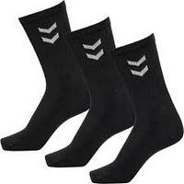 | 022030-2001 | Hummel Crew Socks Basic 3-Pack Black |  | 15500 | 15450 | 30950 | 80% Cotton, 20% Polyester | Portugal
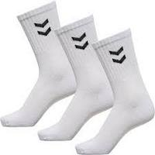 | 022030-9001 | Hummel Crew Socks Basic 3-Pack White |  | 9500 | 9550 | 19050 | 80% Cotton, 20% Polyester | Portugal
 |  |  |  |  |  | 50000

 |  |  |  |  |  |  | Pallet info
 |  |  |  |  |  |  | 1 Pallet / 20 cartons x 50 3-Packs Total 1000 3-Packs
 |  |  |  |  |  |  | 1 Pallet / 24 cartons x 50 3-Packs Total 1200 3-Packs

 |  |  |  |  |  |  | Carton info
 |  |  |  |  |  |  | 1 Carton / Inh 50 3-Pack / netto 8,90 kg / brutto 10,20 kg

